Sheet1
This business case tool has been developed to assist utilities to understand and quantify the value creation associated with Olea's Meter Health Analytics solution. The business case tool outlines a number of value creation areas and associated analysis to quanify the potential value of Olea's Meter Health Analytics solution to the utility. The business case tool provides a clear narrative based on the calculator results explaing each area of value creation. Olea is availible to assist with the development of the business case and any additional areas of value creation the utility may uncover The green shaded boxes are inputed values. These values vary from Utility to Utility. Please contact Olea if we can support the development of this business case or adjust the business case to better reflect value creation at your utility.

 |  |  | Data Input
 | What is the total meter related revenue for 2018? |  | $750,000,000.00
 | How many Top 1% Meters are there? |  | 2700
 | What percentage of total revenue is generatated by Top 1% meters? |  | 25%

 | How many Top 1% meters are estimated to be bad? |  | 40%
 | Typically, what percentage of bad meters are repaired? |  | 75%
 | Typically, what percentage of bad meters are replaced? |  | 25%

 | What is the average cost of a meter repair? |  | $1,000
 | What is the average cost of a meter replacement? |  | $15,000

 | How many times does a repair crew need to visit a meter to diagnos and return meter to accuracy? |  | 5
 | What is the average fully loaded cost each time a repair crew visits a meter to diagose and return meter to accuracy? |  | $500
 | How many meter repairs or replacements are currently performed annually? |  | 500

 | What is the average calendar life for a Top 1% meters in years? |  | 15

 | What percentage of Top 1% meters are tested annually? |  | 100%
 | What is the average cost of testing a Top 1% meter? |  | $1,000

 | Olea conducts a detailed survey of meters and meter environments including accurately location the meter location? This information is provided as part of the Olea MHA solutions. What is the estimated cost of conducting a detailed meter survey by a third party or utility personal including software and data management services? |  | $300

Utility Name |  | Revenue Water Utility
Utility Address |  | 1 Millon Dollar Way
Project Owner Name |  | Melissa Moneymaker
Project Owner Phone |  | 1-555-444-1212
Project Owner Email Address |  | Moneymaker@revenuewaterutility.com

MHA, Annual SaaS, $ / Year |  | $1,000.00
MHA, Installation & Survey |  | $300.00
MHA, Removal/Reinstall Fee |  | $250.00

I. Executive Summary

A large percentage of revenue for a utility is delivered by a small number of large high value water meters. These large high value meters typically serve commercial, wholesale and industrial customers. This business case is based upon the following assumptions:

Business Case Assumptions
 | Total Revenue - Annual Meter Dependent revenue for all meters |  | $750,000,000.00
 | Percentage of revenue from Top 1% of meters |  | 25%
 | Annual Revenue from Top 1% of meters |  | $187,500,000.00
 | # of Top 1% Meters |  | 2700
 | Percentage of Broken, Worn, & Miss-sized water meters (# of inaccurate meters / Total # meters * 100) |  | 40%
 | Average Meter Repair Cost ($ / Repair) |  | $1,000
 | Percentage of meters repaired annually (# Meters Repaired/Total # Meters * 100) |  | 30%
 | Average Meter Replacement Cost ($ / Meter Replacement) |  | $15,000
 | Percentage of meters replaced annually (# Meters Replaced/Total # Meters * 100) |  | 10%

Water meters can fail at any time to accurately bill for every drop of water delivered to customers due to breakage, wear, and/or being the incorrect size. Typically, it is estimated water utilities lose an average of 10% annual revenue due to water meter failures and miss-sizing. This represents a potential revenue opportunity of:

 | Revenue Opportunity for a 5% Revenue Loss |  | $9,375,000.00
 | Revenue Opportunity for a 10% Revenue Loss |  | $18,750,000.00
 | Revenue Opportunity for a 20% Revenue Loss |  | $37,500,000.00
Traditionally utilities have had to replace the entire portfolio of water meters to recover this lost revenue. A new unique and novel solution offered by Olea Edge Analytics enables an effective asset management approach to a portfolio of large high value water meters. Olea’s Meter Health Analytics solution is a complete turnkey asset management solution specifically developed for high value water meters greater than 1” in diameter. The patented solution includes an array of sensors which sit on top of a water meter combined with a powerful energy efficient EdgeWorks computer to continuously monitor a water meter asset. Advanced machine learning algorithms and analytics performed at the edge process sensor data into insightful information and actionable intelligence. Cellular infrastructure, advanced security strategies and proprietary blockchain ledgering securely transports benchmark and event data to a cloud environment for presentation/visualization and/or transfer to IT systems. The solution includes a survey which provides deep insights into the condition and potential hazards posed by the environments these meters operate in. Implementation of the solution requires limited utility resources. Olea has proposed a risk-free trial of the Meter Health Analytics solution on 100 meters for 90 days. The cost of the trial is $100,000.00 billed upon identification of $100,000.00 in Annualized Revenue Opportunities. The trial fee is waived if less than $100,000.00 in Annualized Revenue Opportunities are identified. The turn-key trial fee includes survey, solution implementation, system provisioning, and access to an Olea provided user interface minimizing need for non-Olea resources. Within 90 days of a successful Olea trial, should a contract be executed to implement Olea’s Meter Health Analytics solution on a minimum of 1000 high value meters, the $100,000.00 trial fee will be credited to the new contract.

II. Financial Analysis

The primary financial benefit to implementation of Olea’s Meter Health Analytics solution is increased revenue. Additionally, there are several benefits which add significant value.

1. Recoverd Revenue
The potential benefit due to increased revenue due to deploying the Meter Health Analytics solution on the top 1% of water meters is:

 | Estimated Net Revenue To Utility provided by MHA solution (5%) |  | $5,864,940.00
 | Estimated Net Revenue To Utility provided by MHA solution (10%) |  | $15,239,940.00
 | Estimated Net Revenue To Utility provided by MHA solution (20%) |  | $33,989,940.00

2. Reduced expense to diagnose and repair meters
The Meter Health Analytics solution enables utilities to prioritize meter repairs and replacement based upon the actual repair required to return the meter to accuracy and an estimate of the financial benefit of the repair. Diagnostic of the cause of failure is provided by the MHA solutions eliminating field diagnostic activity historically provided by staff or 3rd party contractors. The MHA solution enables service personnel to repair a meter with the right parts and the right instructions the first time to quickly and efficiently return the meter to accuracy.

 | Pre-MHA average number of truck visits to diagnose and repair meter |  | 5
 | Post MHA aveage number of truck visits to diagnose and repair meter |  | 1
 | Average cost per truck visit to diagnose and repair meter |  | $500
 | Pre-MHA total annual # of repairs/replacements |  | 500
 | Post MHA total annual # of truck visits to diagnose and repair meter |  | 1080

 | Estimate Expense Reduction (Increase) |  | $710,000.00

3. Reduced expense by extending the life of accurate meters
The Meter Health Analytics solution enables meter replacement based on performance versus meter age or throughput. Typically, meters are replaced on a periodic schedule regardless of there individual performance. The replacement of high value meters is expensive and may cause service disruptions to customers critical operations. The MHA solution may increase the average life of a portfolio of water meters by replacing only those meters with poor performance justifying the replacement expense.

 | # of Top 1% Meters |  | 2700
 | Average Meter Replacement Cost |  | $15,000
 | Pre-MHA average meter life (years) |  | 15
 | Post MHA average meter life (years) |  | 18

 | Estimated Annual Capital Expense Reduction (Increase) |  | $450,000.00

4. Meter survey cost avoidance
A survey of each meter, the meter’s location, and analysis of billing history is included in the Meter Health Analytics solutions. The survey includes observations, GIS data, pictures, meter data, environmental testing, and billing analysis. The data is presented in Olea’s user interface and the data is available through an API. The market price for a standalone survey project of similar quality and depth can exceed $500.00 per meter.

 | Estimated in-kind replacement value of survey data |  | $300
 | # of Top 1% Meters |  | 2700
 | Cost of Survey with MHA Solutions |  | $-

 | Survey Benefit to Utility |  | $810,000.00

5. Reduced expense to test water meters
Current best practices suggest utilities test each meter according to AWWA and manufactures recommended procedure between 6 months and 36 months depending on the economic value to the meter. Meter testing provides an idealized perspective of a meter’s performance under a few specific designed flow conditions. Meter Health Analytics provides a continuous assessment of a meter’s accuracy under actual operating conditions and customer demand. This unparalleled insight to a meter’s accuracy enables the identification of meters for testing based on actual performance and to specifically design the meter test to validate the specific failure mode affecting the meter. Meter testing may be reduced, and in some cases eliminated.

 | # of Top 1% Meters |  | 2700
 | Pre-MHA Percentage of Meters tested annually |  | 100%
 | Post MHA Percentage of Meters tested annually |  | 20%
 | Average Cost of Meter Test |  | $1,000

 | Estimated Annual Meter Test Expense Reduction |  | $2,699,460.00

Financial Summary
The following summarizes the financial benefit from the implementation of the Meter Health Analytics solution.

 | Estimated Net Revenue To Utility (10%) |  | $15,239,940.00
 | Estimate Maintenance Expense Reduction (Increase) |  | $710,000.00
 | Estimated Annual Capital Expense Reduction (Increase) |  | $450,000.00
 | Survey Benefit to Utility |  | $810,000.00
 | Estimated Annual Meter Test Expense Reduction |  | $2,699,460.00

 | Total Benefit to Utility |  | $19,909,400.00
 | MHA Return on Investment |  | 567%
 | MHA Days to Break Even |  | 64

III. Sensitivity Analysis

Two alternate cases have been prepared and evaluated to understand the potential upside and downside of the business case. The downside analysis assumes no other value creation other than revenue recovery. Additionally, the revenue recovery percentage is decreased from 10% to 5% of revenue. The upside business case assumes all the value creation discussed above and a 20% revenue recovery.

 | Low Case (5% revenue gain, no other value creation)
 | Total Benefit to Utility |  | $5,864,940.00
 | MHA Return on Investment |  | 167%
 | MHA Days to Break Even |  | 218

 | High Case (20% revenue gain plus other value)
 | Total Benefit to Utility |  | $38,659,400.00
 | MHA Return on Investment |  | 1101%
 | MHA Days to Break Even |  | 33

IV. Project Definition

Olea will implement the Meter Health Analytics solution on 100 high value meters. The solution will remain in place for a minimum of 90 days during which Olea will identify broken, worn, and miss-sized water meters. The [city/utility] will promptly repair the inaccurate meters per Olea’s recommendation. Billing records will be used to validate the revenue recovery by comparing pre-repair bills, post repair bills, and billing history. The revenue recovered by Olea’s Meter Health Analytics solution may be used to implement MHA on all top 1% meters.

V. Business Objective

The objectives of this project are to: 1. Increase revenue by a minimum of 5% by identifying broken, worn, and miss-size water meters and repairing them quickly and efficiently. 2. Reduce the cost of properly managing and maintaining the portfolio of high value water meters.

VI. Benefits & Limitations

The benefits of the Meter Health Analytics solution include: • Achieve Full Revenue Potential – Bill for Every Drop of Water Delivered! • Revenue Assurance – Provide Revenue Predictability • Actionable Intelligence – Specifically how to recover revenue • Reduce OPEX – Reduce truck roles to repair meters • Reduce CAPEX – Replace the right meters • Turnkey Solution – Minimize complexity & costs to utility • Support Regulatory Compliance – Improve water audit accuracy • Identifies Environmental, Health, and Safety Risks – Reduce liability exposure • Support Water Conservation Initiatives – Demonstrate sustainable resource management • Rate Stabilization – Minimize impact of high value meter failures on residential rates The limitation of the Meter Health Analytics solution includes: • Olea does not repair or replace meters as part of the solution. • Utility may need to adopt best practices to take advantage of cost reduction opportunities • Analysis of data held by Utility critical to delivery of the MHA solution. Utility needs to provide timely meter and billing data.

VII. Option Identification & Selection

Meter Health Analytics is a unique and novel solution qualified for sole source procurement. The solution and technology is patented and there is no other provider of the solution. The “Next Best Alternative” is an AMI product combined with a statistical software package. This system would identify changes in water usage but would not definitively identify why water usage has changed. Specifically, the MHA solution answers these questions which the “Next Best Alternative” cannot: • Why has water usage changed? • Is meter broken? • What, specifically, is wrong with meter? • How much revenue is being lost? • Specifically, how to fix the meter? • What is the ROI for the meter repair? • Is there a leak in meter pit? • Is the meter location unsafe? • Is water being stolen? (Requires Bypass Upgrade)

VIII. Scope, Impact, and Interdependencies

Olea’s Meter Health Analytics solution is a turnkey project requiring limited utility resources. Utility resources are required for the following: • List of meters and related data required for solution implementation • 24 months of billing data • Monthly billing data for meters during trial and for 90 days after meter repairs • Assistance with locating difficult to find meter pits/vaults (Typically < 5% of total meter list) • Access and permission to enter meter pits and to place Olea sensors on meters. • Timely repair or replacement of identified failed meters (< 30 days) Implementation of the Meter Health Analytics solution may provide the opportunity to fundamentally change maintenance strategy, processes, and procedures. MHA enables a proactive, flexible and targeted maintenance program based on actionable intelligence provided by the MHA solution. This provides significant improvement to efficiency and cost reduction when compared to a scheduled cadence of routine maintenance activities. Maintenance, Operations, and Olea will need to work closely together to quickly realize the value of the Meter Health Analytics solution.

IX. Implementation Plan Overview

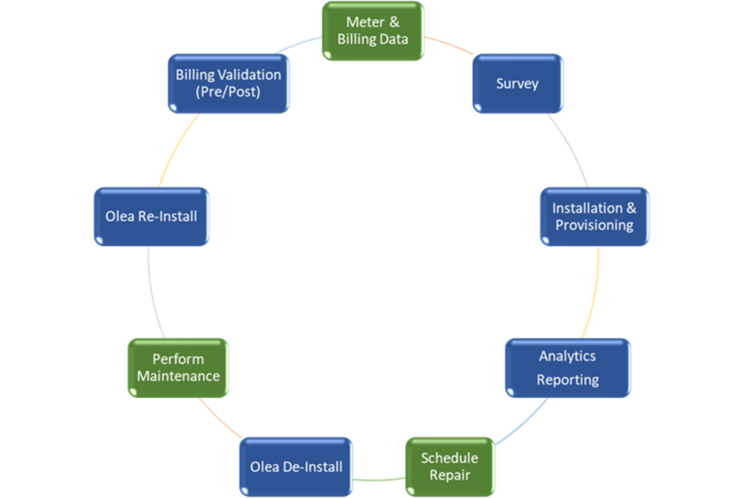 Olea has extensive experience implementing the Meter Health Analytics solution and utilizes the following process during implementation. Meter and billing data is gathered by the [city/utility] and provided to Olea. Olea enters the data into its proprietary survey tool which is used to direct and route the Olea implementation teams to each specific meter. Olea conducts the survey and populated the survey tool. Olea installs the EdgeWorks hardware on the meter and documents the installation in the survey tool. Data is collected and analyzed to identify broken, worn, and miss-sized water meters. Olea notifies [city/utility] of inaccurate meters and other opportunities through reports and the user interface. The [city/utility] schedules the meter for repair or replacement. Olea de-installs the EdgeWorks hardware prior to the meter repair or replacement. Meter is repaired or replaced by [city/utility]. Olea re-installs EdgeWorks hardware onto repaired/replaced meter. Olea and [city/utility] analyze billing data to capture actual revenue improvement and validate ROI from MHA solution.

X. Risk Assessment

The Olea trial is risk free: • The $100,000 trial fee is waived if the Olea Meter Health Analytics solution does not identify at least $100,000 in revenue. • Olea’s turnkey solution minimizes investment of utility resources

XI. Project Approach

The Meter Health Analytics solution is provided by Olea Edge Analytics. The utility will provide data and maintenance services to repair inaccurate meters identified by the MHA Solution.

XII. Purchasing Strategy

• Sole Source Procurement Process • Utilize recovered revenue from trial to implement the MHA Solution to top 1% of meters.

XIII. Project Organization

A. Project Governance Outline Decision Making Process (Utility Input Required) B. Progress Reporting Regular communication and progress meeting are an integral part of Olea’s Meter Health Analytics solution. 1. Meter & Billing Data – Within 5 days of purchase order 2. Kickoff Meeting – Within 20 days of purchase order 3. Progress Meeting #1 – Within 50 days of purchase order 4. Progress Meeting #2 – Within 80 days of purchase order 5. Progress Meeting #3 – Within 110 days of purchase order 6. Progress Meeting #4 – Within 140 days of purchase order 7. Final Review Meeting – Within 170 days of purchase order

