Sheet1

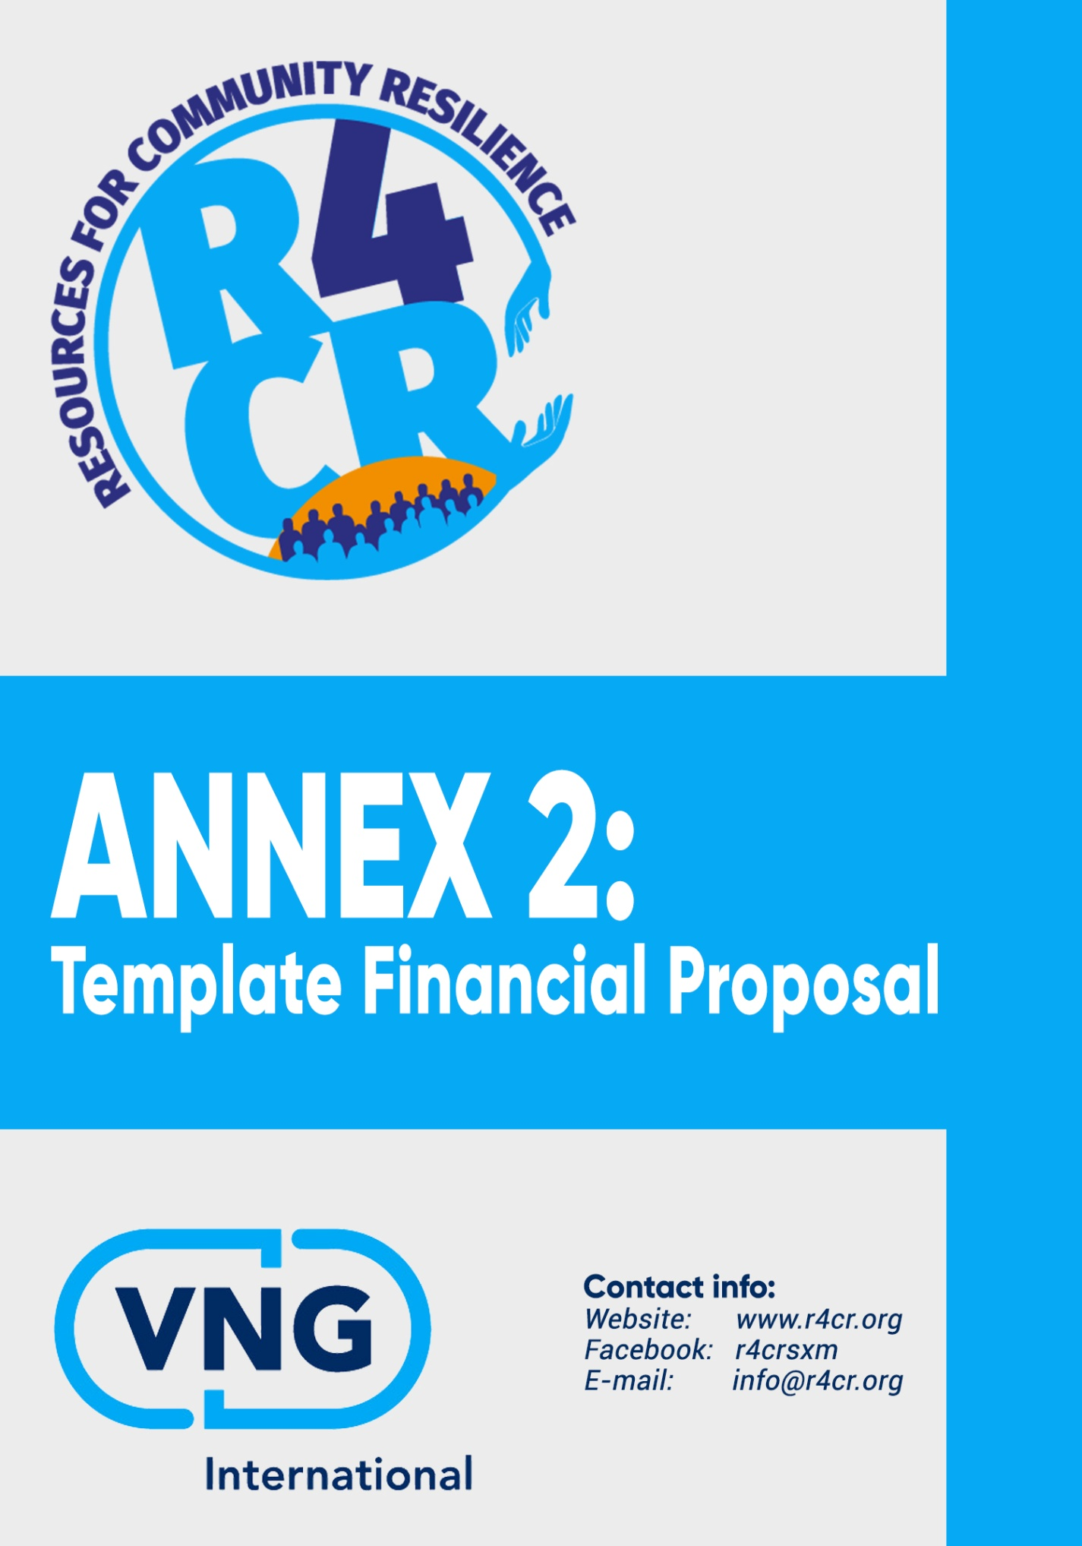
RESOURCES FOR COMMUNITY RESILIENCE
ANNEX 2: Template Financial Proposal

Project Title
Name of Lead Applicant
Name of Sub-Partner(s) if applicable

Expenses | Unit Type | No. of Units | Cost per Unit | Total Costs in US$
Specification of Project Activities and Cost Calculation
1 |  |  |  | 0.00
2 |  |  |  | 0.00
3 |  |  |  | 0.00
4 |  |  |  | 0.00
5 |  |  |  | 0.00
……. |  |  |  | 0.00
I. Sub-total |  |  |  | 0.00

Staff
1. Project Coordinator | days |  |  | 0.00
2. Financial Expert | days |  |  | 0.00
3. External Contractor (if any) | days |  |  | 0.00
4. Trainer | days |  |  | 0.00
5. External Auditor | days |  |  | 0.00
……. | days |  |  | 0.00
II. Sub-total |  |  |  | 0.00

Logistics
1. Travel[1] |  |  |  | 0.00
2. Training Logistics[2]
2.1 Training Material (Duplication/Projection) |  |  |  | 0.00
2.2 Training Venue Costs |  |  |  | 0.00
3. Communication/PR |  |  |  | 0.00
4. Office Supplies |  |  |  | 0.00
5. Occupational Health and Safety (OHS) Package[3] |  |  |  | 0.00
6. Volunteer Costs |  |  |  | 0.00
7. Insurances |  |  |  | 0.00
8. …… |  |  |  | 0.00
III. Sub-total |  |  |  | 0.00

Expenses | Unit Type | No. of Units | Cost per Unit | Total Costs in US$
IV. Total Direct Expenses (I + II + III) |  |  |  | 0.00

Provision for contingency (5% of total direct costs) |  |  |  | 0.00
Administrative costs (7% of total direct costs) |  |  |  | 0.00
V. Sub-total |  |  |  | 0.00

VI. Total Expenses (IV + V) |  |  |  | 0.00

OTHER FINANCIAL RESOURCES |  |  |  | 0.00
Co-financing (if any) |  |  |  | 0.00
Personal contribution (if any) |  |  |  | 0.00
VII. Sub-total |  |  |  | 0.00

VIII. OVERALL TOTAL PROJECT COSTS (VI + VII) |  |  |  | 0.00

(1) If related to training, please specify separately for each training session.
(2) Please specify for each training session separately.
(3) Protective equipment (e.g. safety boots, helmets, masks, gloves, protective clothing, goggles and ear protection) and precautionary measures to create a safe working environment.

