Chatbot
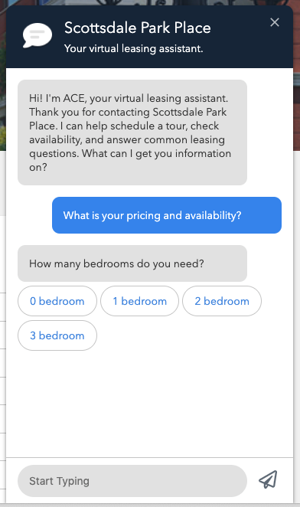
*Required* Property Specific Settings (please review or modify all BLUE sections below) {SiteName} will be automatically reflect how the property appears in your LeaseHawk account
Chatbot Title | {siteName}
Chatbot Description | Your virtual leasing assistant.
Header Icon URL | Attach supported image file with this document. Will use the the default shown in screenshot if no image is attached. (.png, .jpeg, .svg Max Size: 300px by 300px, Min Size:100px by 100px)"
Header Color | #162A3F
Header Text Color | #FFFFFF
ACE Chatbot bubble Color | #E5E5E5
ACE Chatbot bubble Text Color | #363636
User Chatbot bubble Color | #3D8FEE
User Chatbot bubble Text Color | #FFFFFF

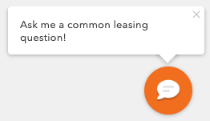
Chatbot Popup Message | Ask me a common leasing question!
Chatbot Popup Message Wait Time | 2000 | Milliseconds
Chatbot Trigger Icon URL | Attach supported image file with this document. Will use the the default shown in screenshot if no image is attached. (.png, .jpeg, .svg Max Size: 300px by 300px, Min Size:100px by 100px)"
Chatbot Trigger Color | #F37A1F

