Introduction
Introduction

 | Before You Start

 | This checklist is designed to help you establish your HR department and put the right HR policies in place can help your organisation grow smoothly. Use this checklist to cover the basics and give your new venture a head start. Below we have put together a number of additional resources that might help you as you work through this process. If you would like further guidance, feel free to reach out to us directly (https://www.occupop.com) and we'll be happy to help.

 | Recommended Resources
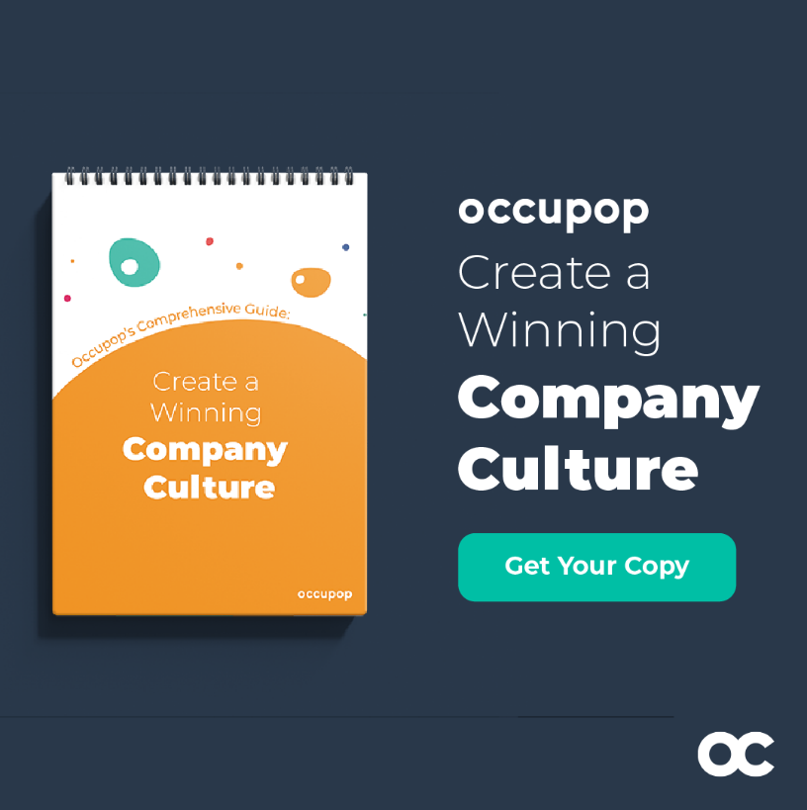
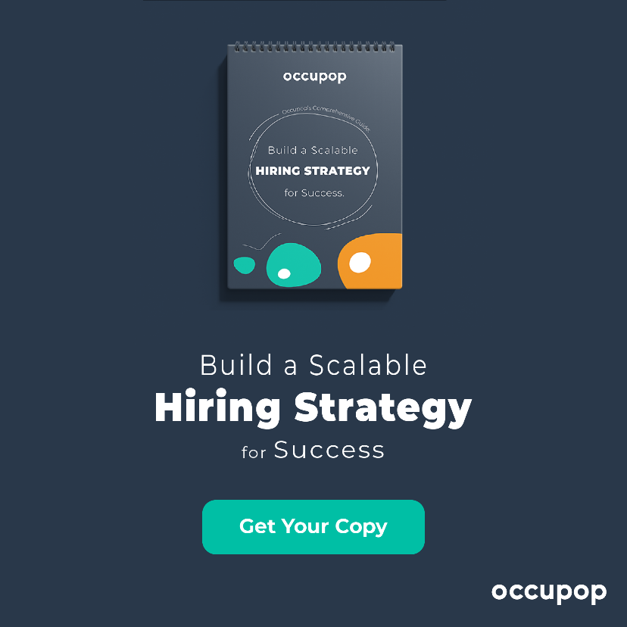

 | How to create a winning culture in your company | How to build a scalable hiring strategy - step by step guide

 | READ NOW | READ NOW

