Introduction
Introduction

 | Before You Start

 | This template is designed to help you identify key areas for developing your EVP story that will feed into every element of your recruitment advertising, including your job descriptions. Below we have put together a number of additional resources that might help you as you work through this process. If you would like further guidance, feel free to reach out to us directly (https://www.occupop.com) and we'll be happy to help.

 | Recommended Resources
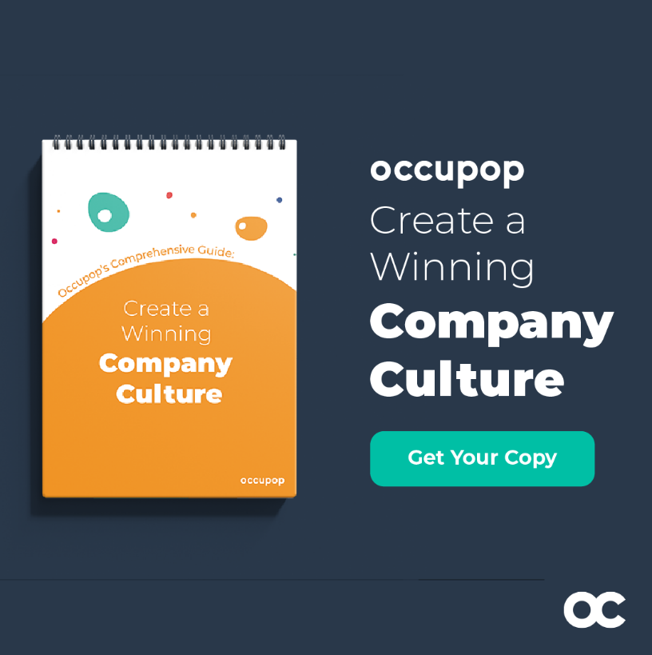
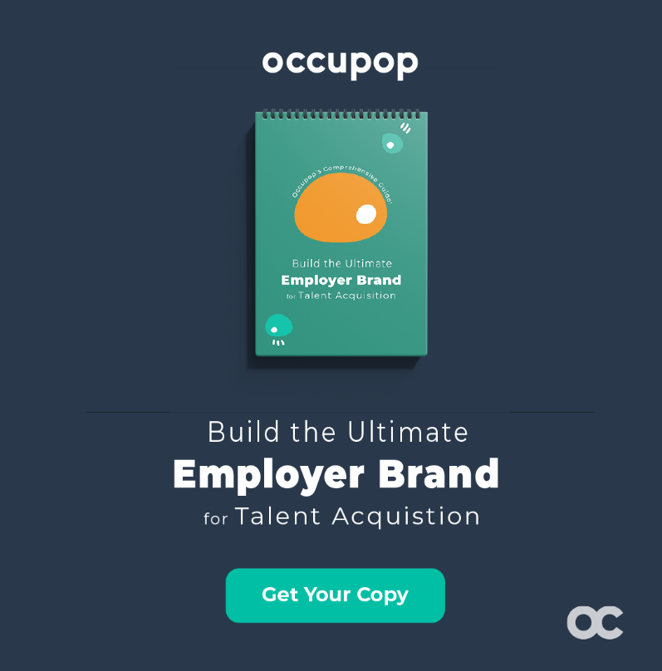

 | How to create a winning culture in your company | How to build your employer brand - step by step guide

 | READ NOW | READ NOW

